Example
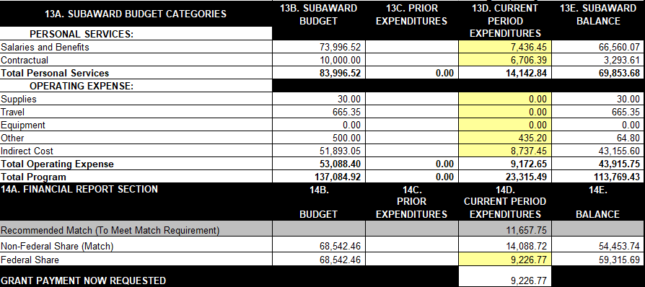
DETAILED REIMBURSEMENT SHEET

SUBRECIPIENT: | RPC123 |  |  |  |  | Reporting Period: | 7/1/2020-9/30/2020

GRANT NAME: | EMPG 19 |  |  |  |  | FEDERAL GRANT #: | XXXXXXX

CONTACT NAME / PHONE #: | Peter Planner, 802-867-5309 |  |  |  |  | STATE GRANT #: | 0000-00000C-000

CATEGORICAL DESCRIPTION |  | Federal Award |  | Match Required |  |  | Total Project Cost

 |  | 50% |  | 50% |  |  | 100%
 |  | $68,542.46 |  | $68,542.46 |  |  | $137,084.92
SALARIES & BENEFITS |  | Federal Share |  | Local Share
Item (Staff Member) | Item Description (i.e. hours and rates) | Budget Request |  | Hard Match (Cash) | Soft Match (Cash) | Soft Match (In-Kind) | Total Expenses
Peter Planner | 131.5 hours @ $34.90/hour | $4,083.30 |  |  | $506.50 |  | $4,589.80
Danny Director | 15 hours @ $62.05 | $372.30 |  |  | $558.45 |  | $930.75
Mary Mapper | 38.5 hours @ $44.56 | $1,247.68 |  |  | $467.88 |  | $1,715.56
Patty Planner | 9 hours @ $22.26 |  |  |  | $200.34 |  | $200.34
 |  |  |  |  |  |  | $-
 |  |  |  |  |  |  | $-
 |  |  |  |  |  |  | $-
 |  |  |  |  |  |  | $-
 |  |  |  |  |  |  | $-
 |  |  |  |  |  |  | $-
 |  |  |  |  |  |  | $-
 |  |  |  |  |  |  | $-
 |  |  |  |  |  |  | $-
 |  |  |  |  |  |  | $-
Total |  | $5,703.28 |  | $- | $1,733.17 | $- | $7,436.45 | 1

CONTRACTUAL
Item | Item Description | Budget Request |  | Hard Match (Cash) | Soft Match (Cash) | Soft Match (In-Kind) | Total Expenses
ABC Contractor |  |  |  |  | $6,706.39 |  | $6,706.39
 |  |  |  |  |  |  | $-
 |  |  |  |  |  |  | $-
 |  |  | $600.00 |  |  |  | $-
 |  |  |  |  |  |  | $-
 |  |  |  |  |  |  | $-
Total |  | $- |  | $- | $6,706.39 | $- | $6,706.39 | 2

SUPPLIES
Item | Item Description | Budget Request |  | Hard Match (Cash) | Soft Match (Cash) | Soft Match (In-Kind) | Total Expenses
 |  |  |  |  |  |  | $-
 |  |  |  |  |  |  | $-
 |  |  |  |  |  |  | $-
 |  |  |  |  |  |  | $-
Total |  | $- |  | $- | $- | $- | $- | 3

TRAVEL
Item | Item Description | Budget Request |  | Hard Match (Cash) | Soft Match (Cash) | Soft Match (In-Kind) | Total Expenses
 |  |  |  |  |  |  | $-
 |  |  |  |  |  |  | $-
 |  |  |  |  |  |  | $-
 |  |  |  |  |  |  | $-
Total |  | $- |  | $- | $- | $- | $- | 4

EQUIPMENT
Item | Item Description | Budget Request |  | Hard Match (Cash) | Soft Match (Cash) | Soft Match (In-Kind) | Total Expenses
 |  |  |  |  |  |  | $-
 |  |  |  |  |  |  | $-
 |  |  |  |  |  |  | $-
 |  |  |  |  |  |  | $-
Total |  | $- |  | $- | $- | $- | $- | 5

OTHER OPERATING EXPENSES
Item | Item Description | Budget Request |  | Hard Match (Cash) | Soft Match (Cash) | Soft Match (In-Kind) | Total Expenses
EMD Roundtable volunteer time | 16 hours @ $27.20 |  |  |  |  | $435.20 | $435.20
 |  |  |  |  |  |  | $-
 |  |  |  |  |  |  | $-
 |  |  |  |  |  |  | $-
Total |  | $- |  | $- | $- | $435.20 | $435.20 | 6

INDIRECT COSTS
Item | Enter Indirect Rate (%) | Budget Request |  | Hard Match (Cash) | Soft Match (Cash) | Soft Match (In-Kind) | Total Expenses
FY 2020 Fixed Indirect Rate | 61.78% | $3,523.49 |  | $- | $5,213.96 |  | $8,737.45
Total |  | $9,226.77 |  | $- | $13,653.52 | $435.20 | $23,315.49

 |  |  |  | TOTAL PERSONAL SERVICES: |  |  | $14,142.84 | 7

 |  |  |  | TOTAL INDIRECT COST: |  |  | $8,737.45 | 8

 |  |  |  | TOTAL OPERATING EXPENSES (including indirect): |  |  | $9,172.65 | 9

 |  |  |  | GRAND TOTAL OF EXPENSES: |  |  | $23,315.49 | 10

 |  |  |  | HARD MATCH (CASH) TOTAL: |  |  | $-

 |  |  |  | SOFT MATCH (CASH) TOTAL: |  |  | $13,653.52

 |  |  |  | SOFT MATCH (IN-KIND) TOTAL: |  |  | $435.20

 |  |  |  |  |  | MATCH TOTAL: | $14,088.72 | 11

TOTAL FEDERAL REIMBURSEMENT REQUEST: |  |  |  |  |  | $9,226.77 |  | 12

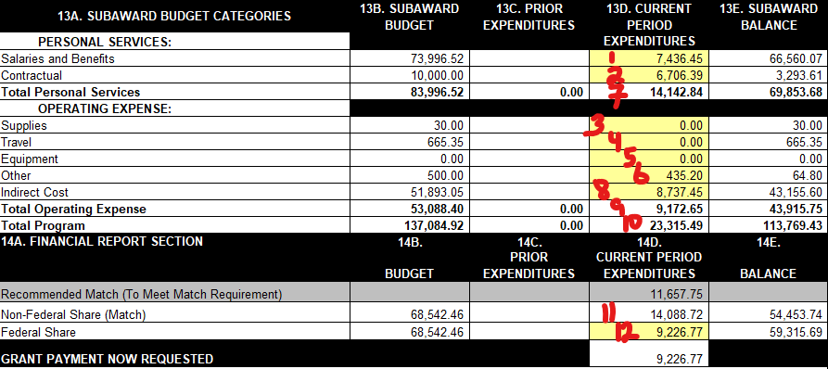
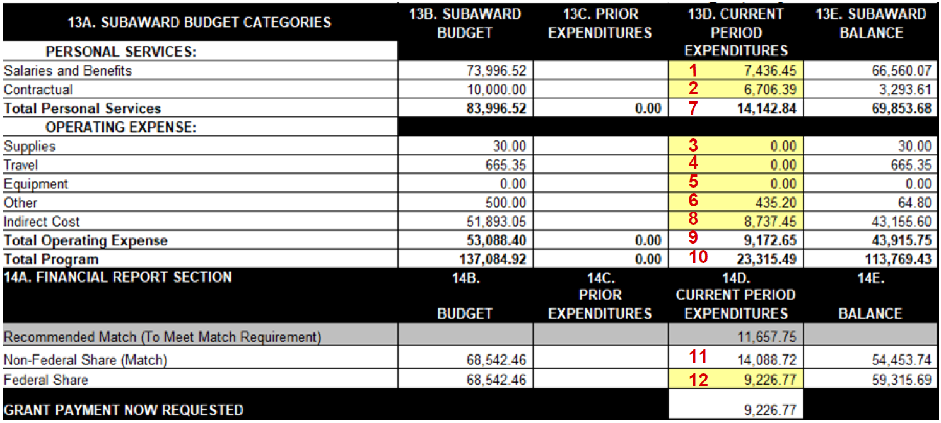

 |  |  |  |  |  |  | In Addition to these two forms include:
 |  |  |  |  |  |  | *General Ledger Report
 |  |  |  |  |  |  | *Defined match source(s)
 |  |  |  |  |  |  | *Timesheets or Payroll reports
 |  |  |  |  |  |  | *Expense Reports
 |  |  |  |  |  |  | *Invoices&proof of payment
 |  |  |  |  |  |  | *Receipts
 |  |  |  |  |  |  | *Food Reimbursement Form
 |  |  |  |  |  |  | *In-Kind Volunteer sign in sheets

